Maturity Levels
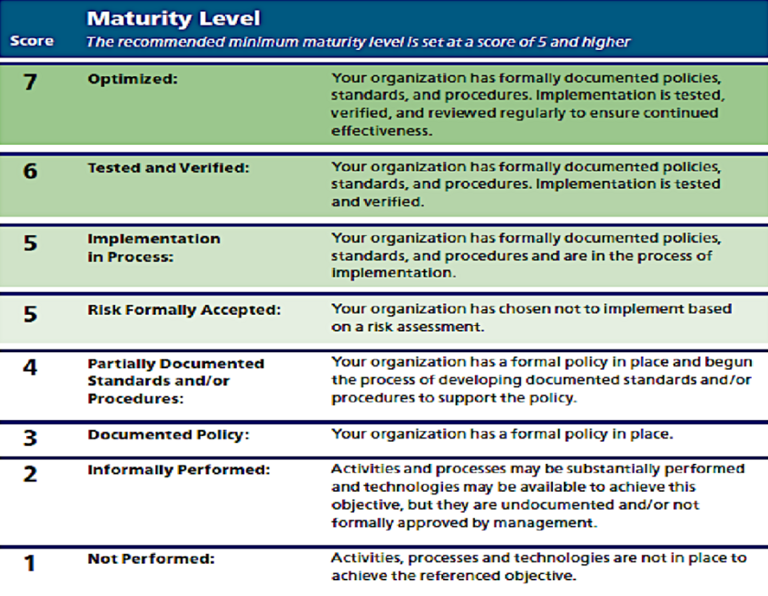
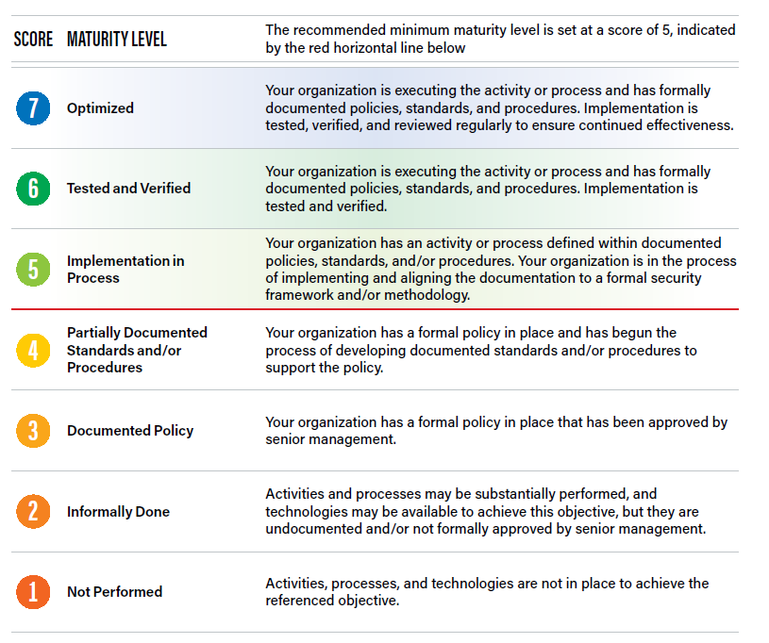

the above maturity models show each level of an orgs IT security program. The one on the left provides two 5s which does a good job identifying the two pathways an org can take. The right shows a red line. Orgs should be at or above the red line (in the process of 5) or higher.

